Adjusted Load Limit
 |  |  |  | Overhanging Loads - Adjusted Load Limit

 |  |  |  | Adjusted Load Limit = Stenciled Load Limit X Adjustment

 | If the center of gravity of the load is not centered longitudinally on the car, one truck will carry a greater part of the load than the other. The car load limit must be adjusted to avoid overloading the heavier truck.
 | This calculations assumes the load density is constant along its length. If not, contact the railroad for guidance.
 | Enter values in blue boxes.
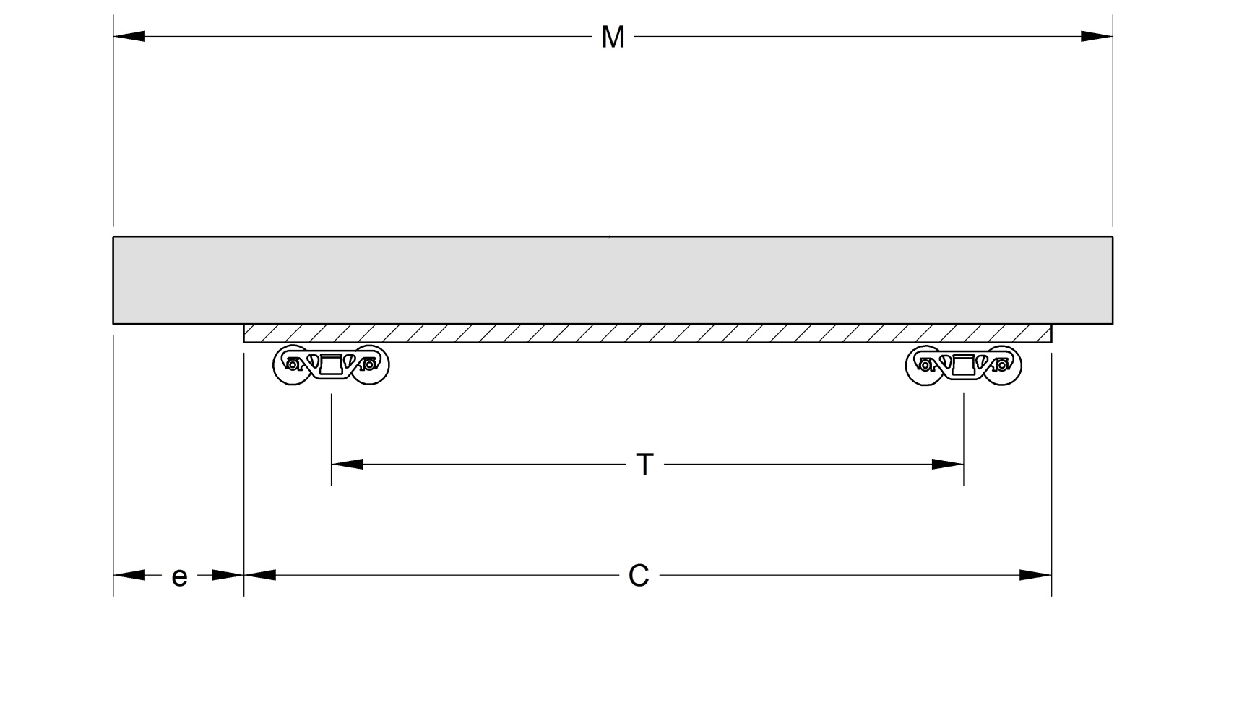
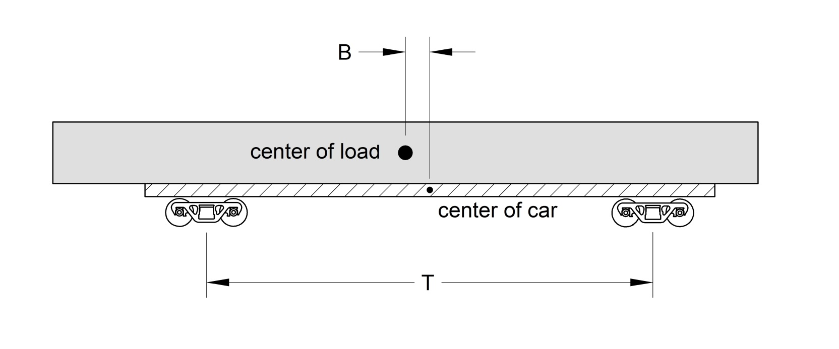

 |  | T | B | Adjustment |  | C | e | M | T | B | Adjustment
 |  | Truck Centers | Lading CG Offset |  |  | Car Length Over End Sills | Overhang Beyond End Sill | Lading Length | Truck Centers | Lading CG Offset
 |  | 66 | 5 | 0.87 |  | 89 | 10 | 99 | 66 | 5 | 0.87

 |  |  |  |  |  | If the load is overhanging both ends, use the larger value of "e".

Example - when you know the lading CG offset |  |  |  |  | Example - when you do not know the lading CG offset

Car has truck center distance of 66 feet (measure or use Umler value). |  |  |  |  | Car is 89 feet long over end sills and truck center distance is 66 feet (measure or use Umler values).
Load is positioned so that its center is shifted 5 feet from the center of the car. |  |  |  |  | Lading is 99 feet long and is positioned to overhang one end of the car by 10 feet past the end sill.
T = 66 |  |  |  |  | C = 89
B = 5 |  |  |  |  | e = 10
Calculated value of the adjustment is 0.87 |  |  |  |  | M = 99
 |  |  |  |  | T = 66
If the car load limit is 195,000 lb., car cannot be loaded beyond 0.87 x 195,000 = 169,650 lb. |  |  |  |  | Calculated value of adjustment is 0.87

 |  |  |  |  | If the car load limit is 195,000 lb., car cannot be loaded beyond 0.87 x 195,000 = 169,650 lb.

